10
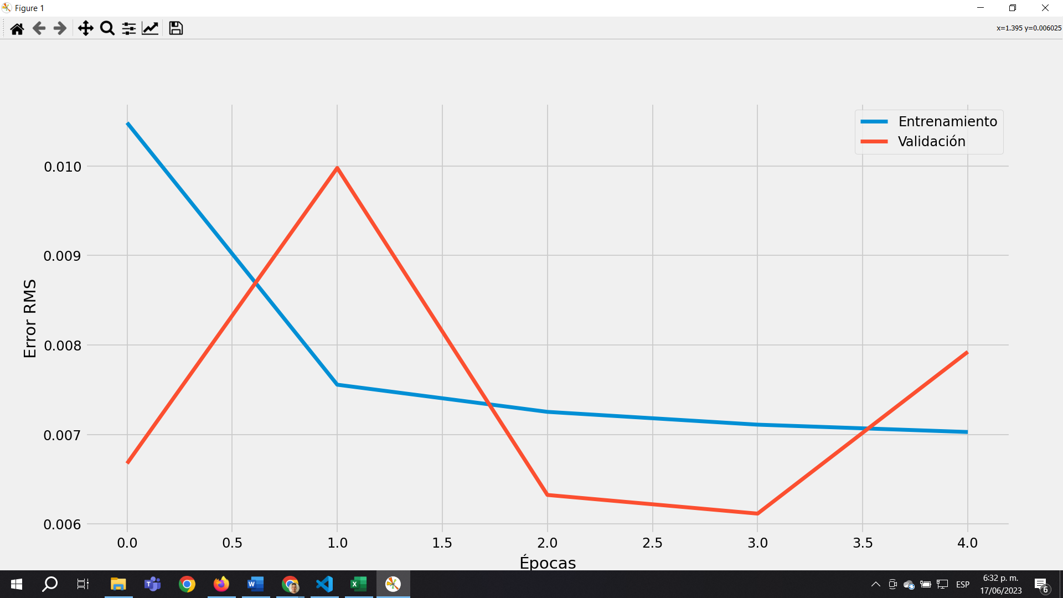
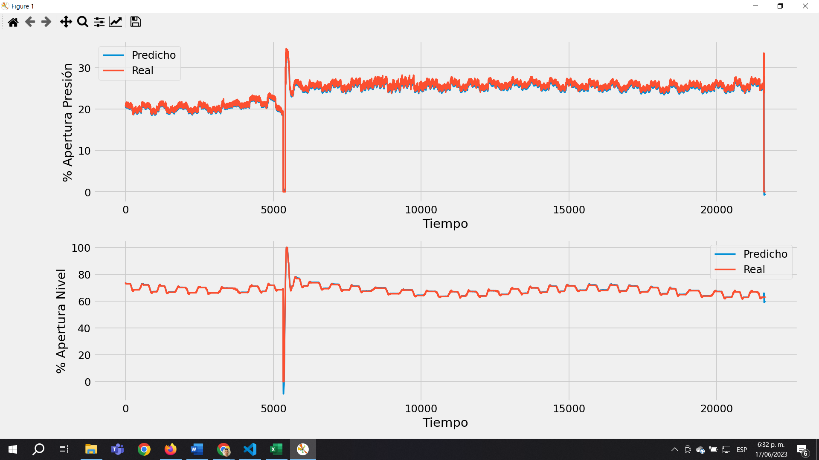
n_splits | 5 | neuronas | 32
sequence_length | 10 | batch_size | 32
 |  | epochs | 5

50
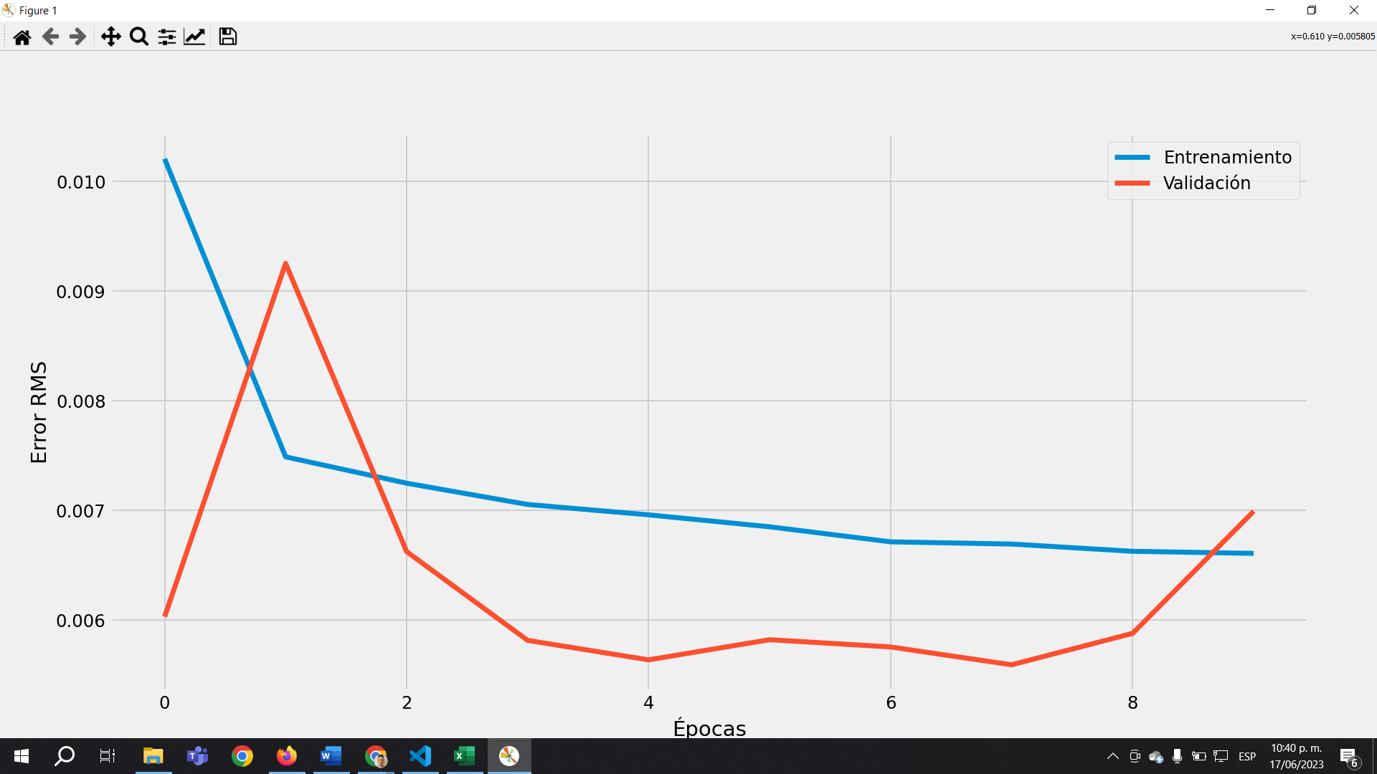
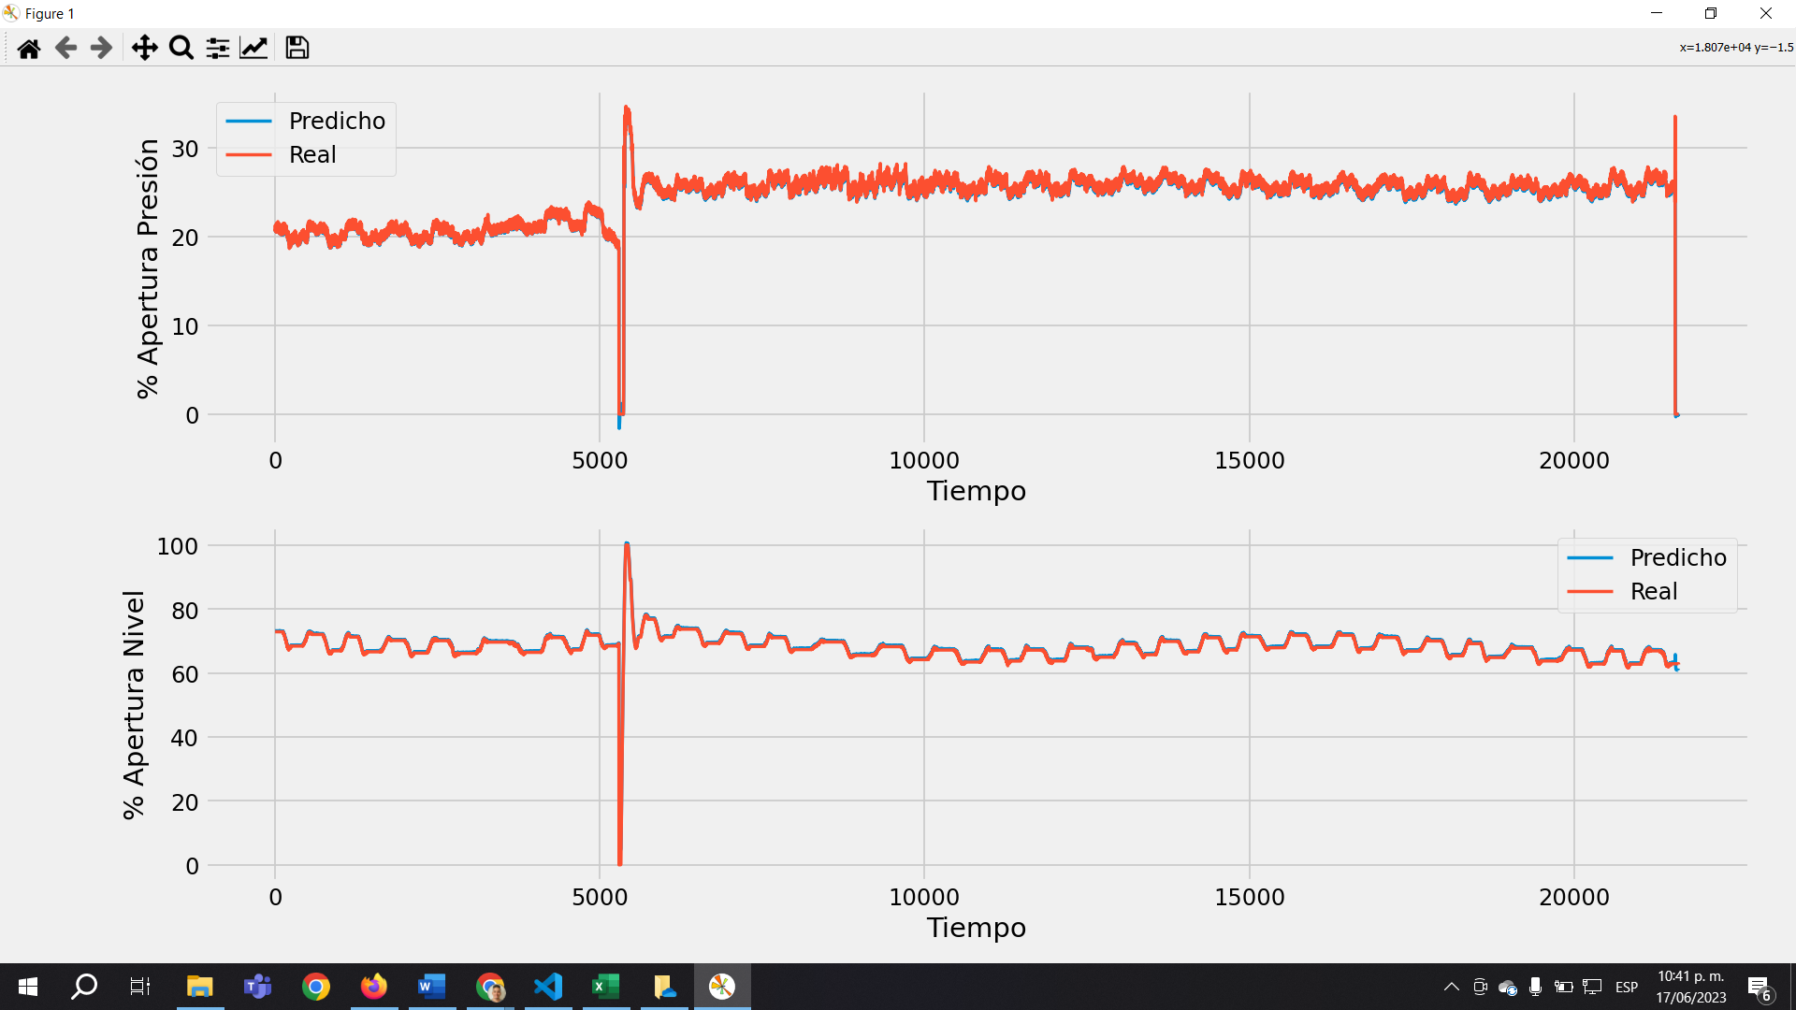
n_splits | 5 | neuronas | 32
sequence_length | 50 | batch_size | 32
 |  | epochs | 10

100
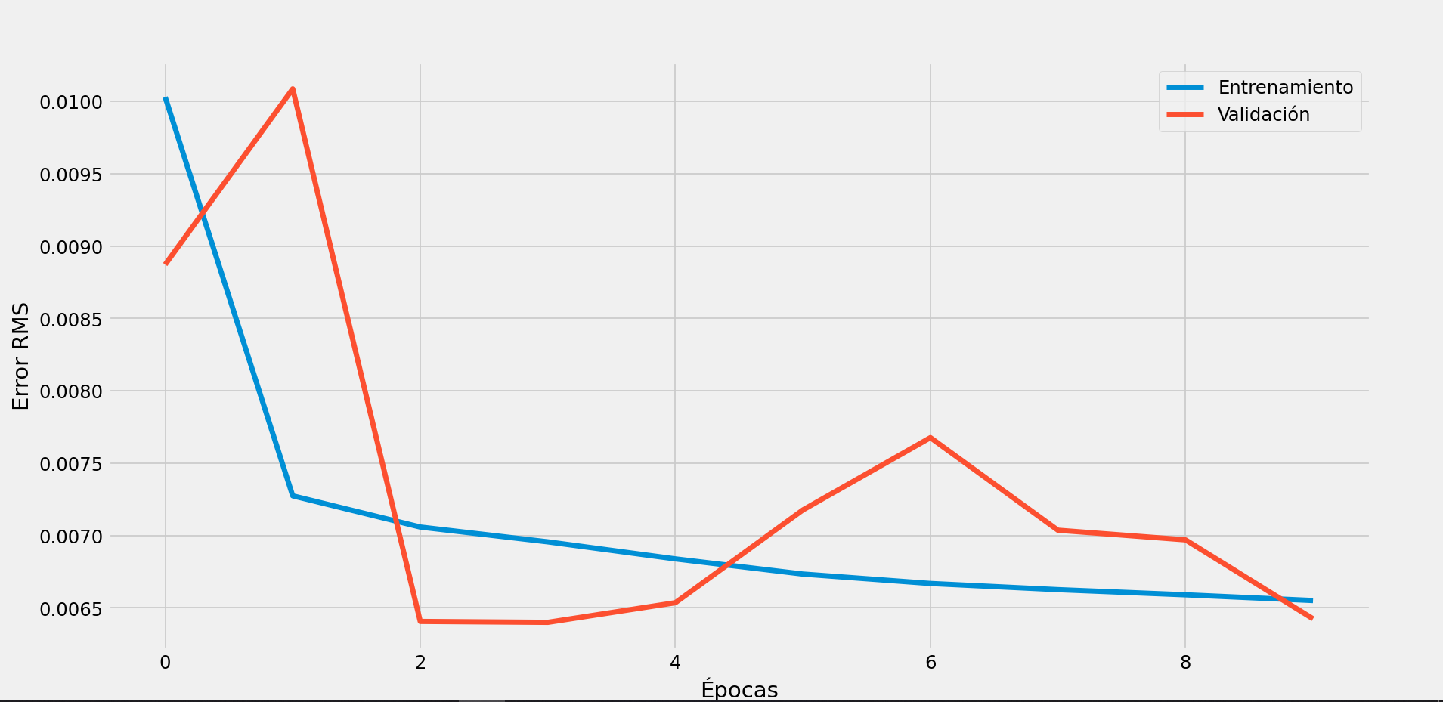
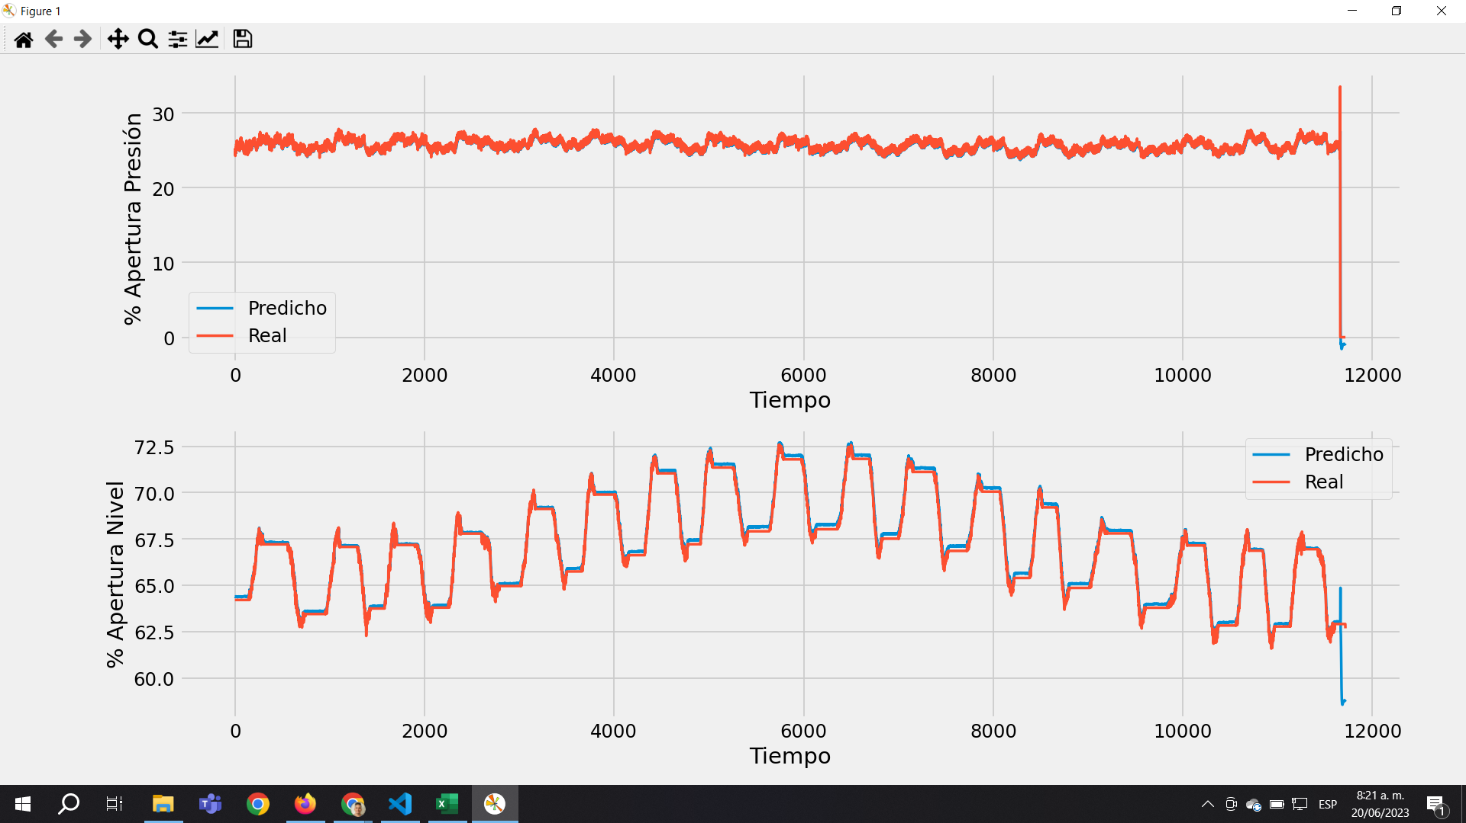
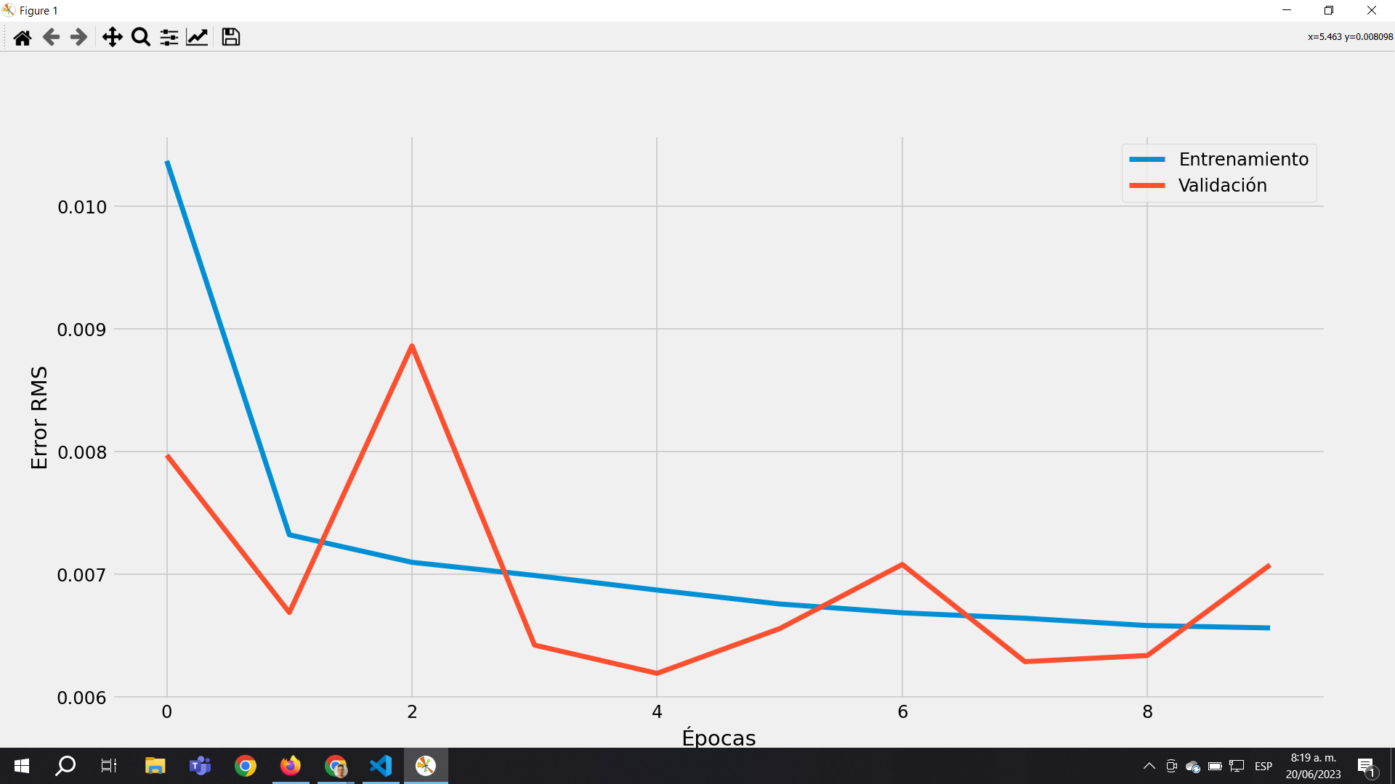
n_splits | 5 | neuronas | 32
sequence_length | 100 | batch_size | 32
 |  | epochs | 5
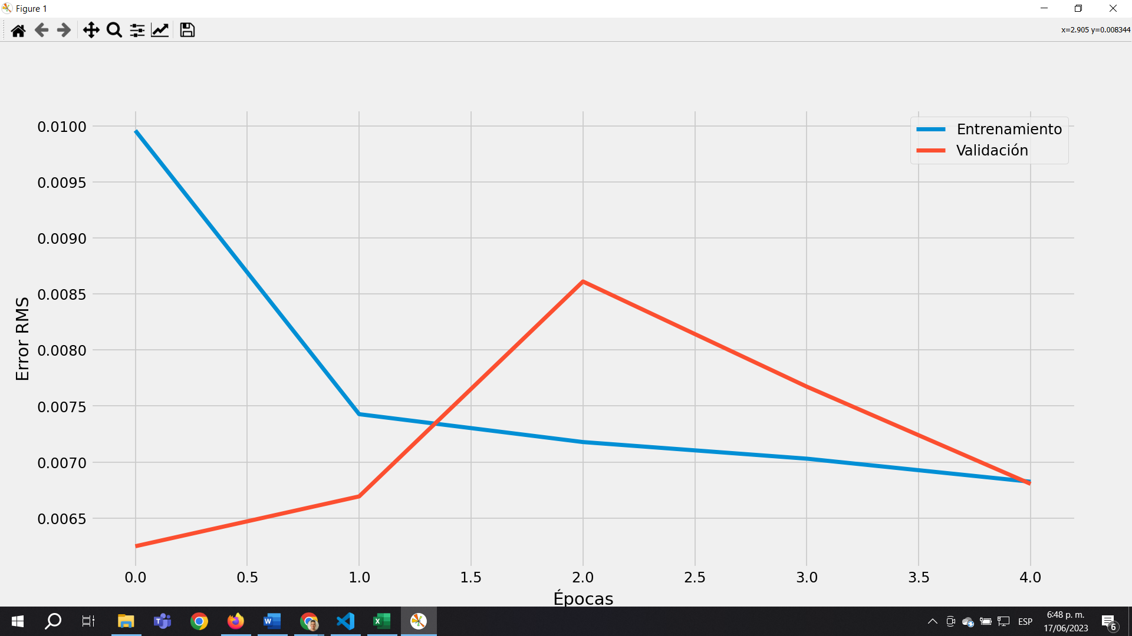
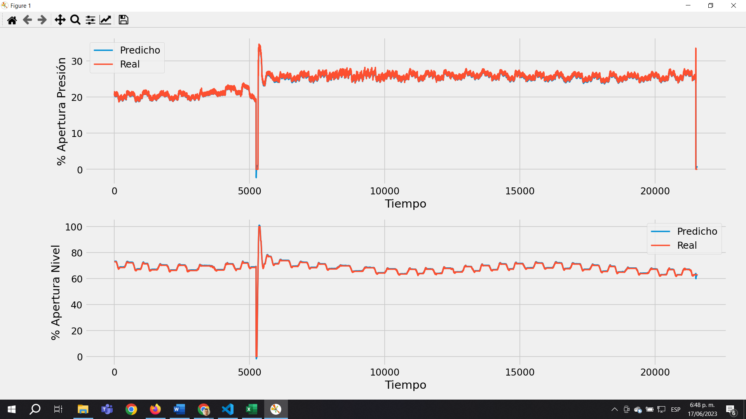

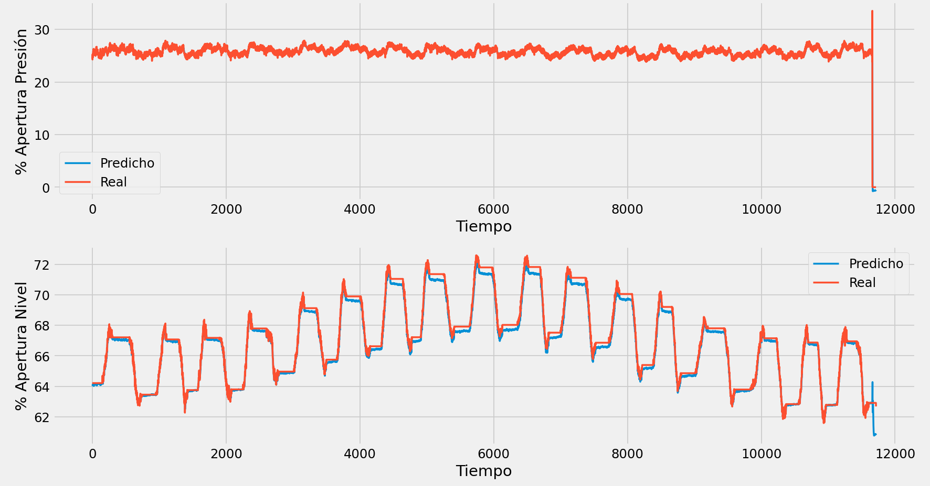
n_splits | 10 | neuronas | 32
sequence_length | 100 | batch_size | 32
 |  | epochs | 10

